RecipeUnitTest
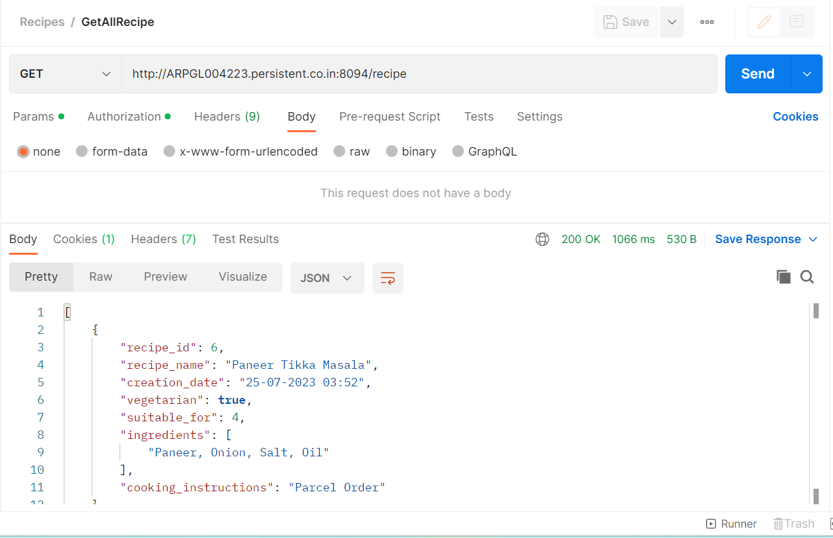
# | Execution Date | Type | Test Case | Expected Result | Actual Result | Status | Comments
1 | 2023-07-25 | Happy | Get all available recipes | The API should show all available recipes | Got all records | Pass | Attached Response Screenshot | Get All Records
2 | 2023-07-25 | Happy | Create New Recipe | New Recipe Should Create into the DB | Created new Recipe in DB | Pass | Attached log screenshot
3 | 2023-07-25 | Happy | Update The Existing Recipe using Recipe_Id | Existing Recipe should update into the DB | Updated into DB | Pass | Attached log screenshot
4 | 2023-07-25 | Happy | Delete the Recipe using Recipe_Id | Existing Recipe should delete from the DB | Deleted from DB | Pass | Attached log screenshot
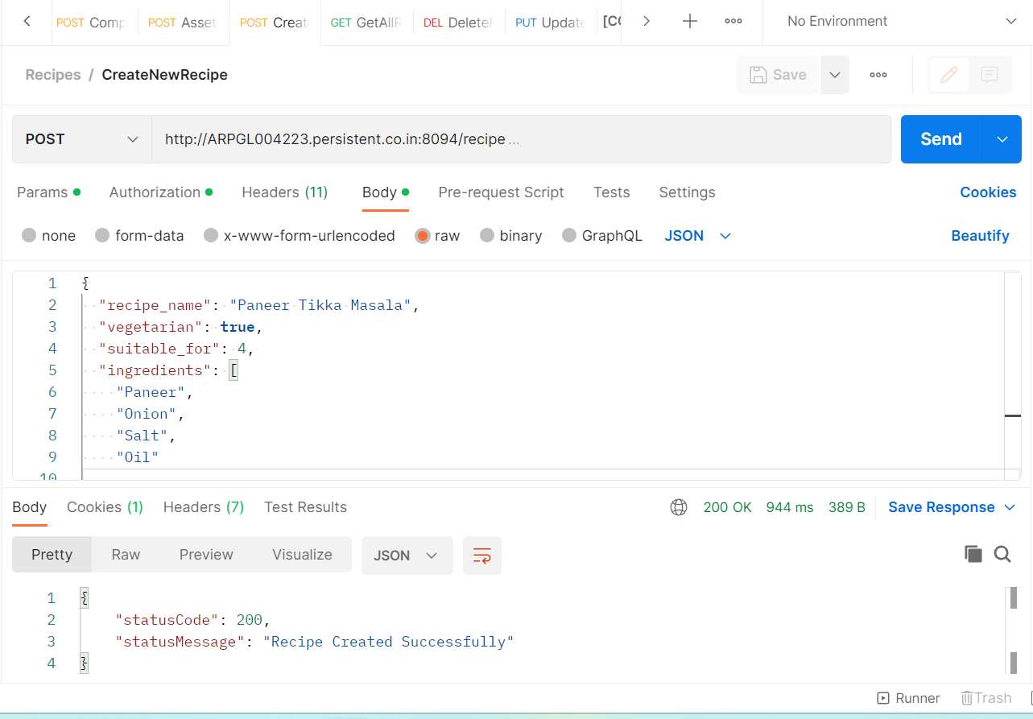
5 | 2023-07-25 | Failure | Basic Authentication Check | Error shoud Credentials not available for authentication | "UNAUTHORIZED" Credentials not available for authentication | Pass | Attached log screenshot
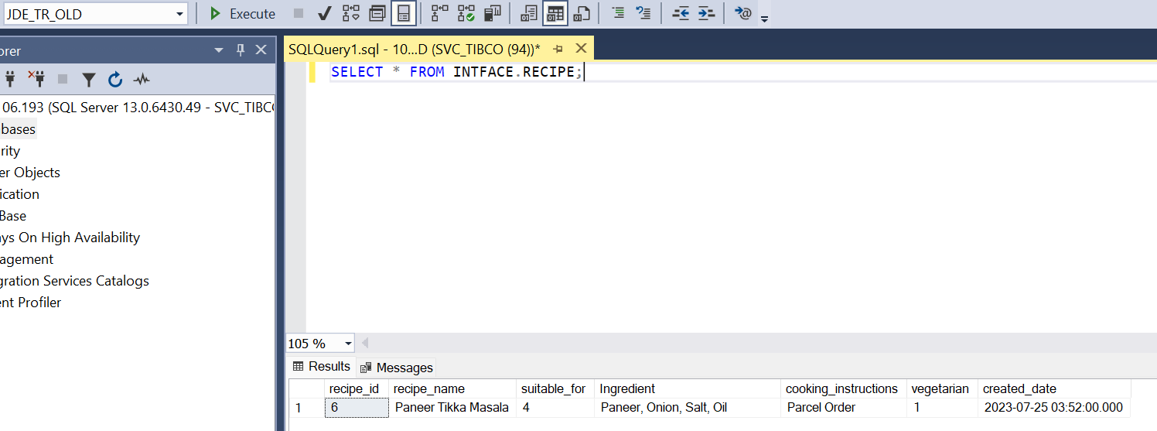
6 | 2023-07-25 | Failure | Update non existing recipe_id | Should return response that Recipe_Id is not listed | Recipe Id: 7 Is Not Listed | Pass | Attached log screenshot | Create New Recipe
7 | 2023-07-25 | Failure | Retry 3 times in case of error | The process should retry the call in case of error | Retried the process 3 times | Pass | Attached log screenshot
8 | 45132 | Happy | Recipe_Id Auto Increment And Created date check into DB | Recipe_Id and Created date needs to updated automatically as per table defination | Got updated as expected | Pass | Attached log screenshot

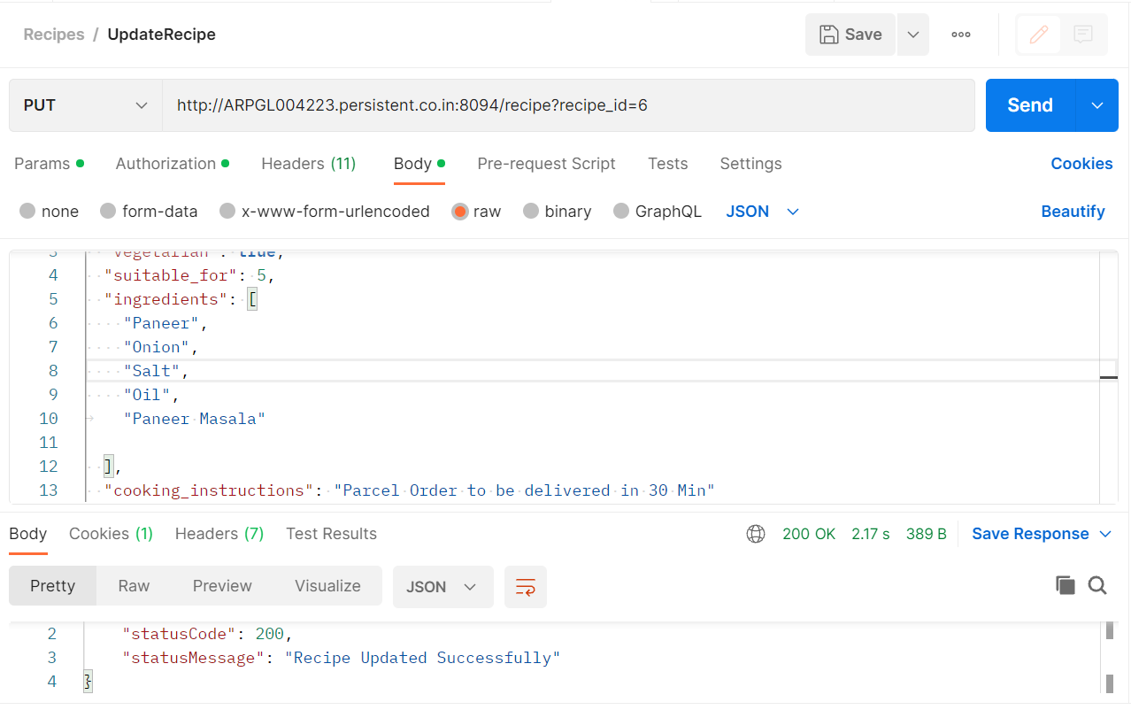
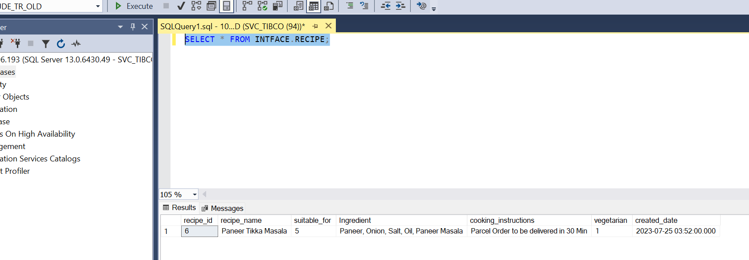
 |  |  |  |  |  |  |  | Update The Existing Recipe

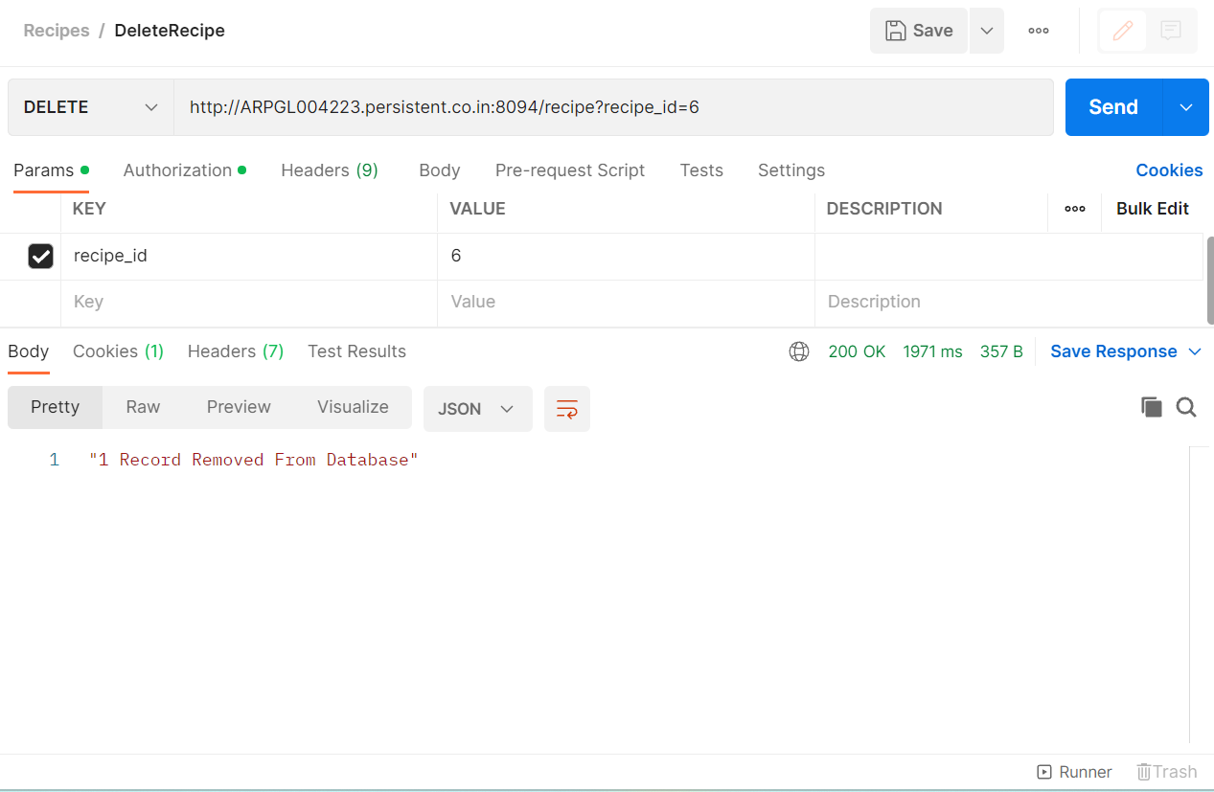
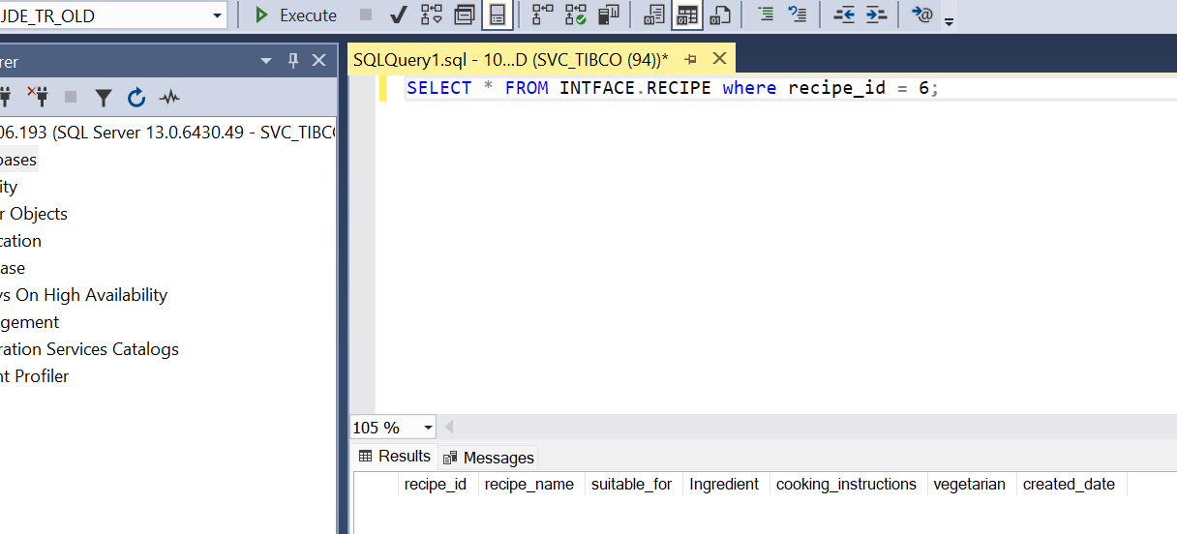
 |  |  |  |  |  |  |  | Delete The Existing Recipe

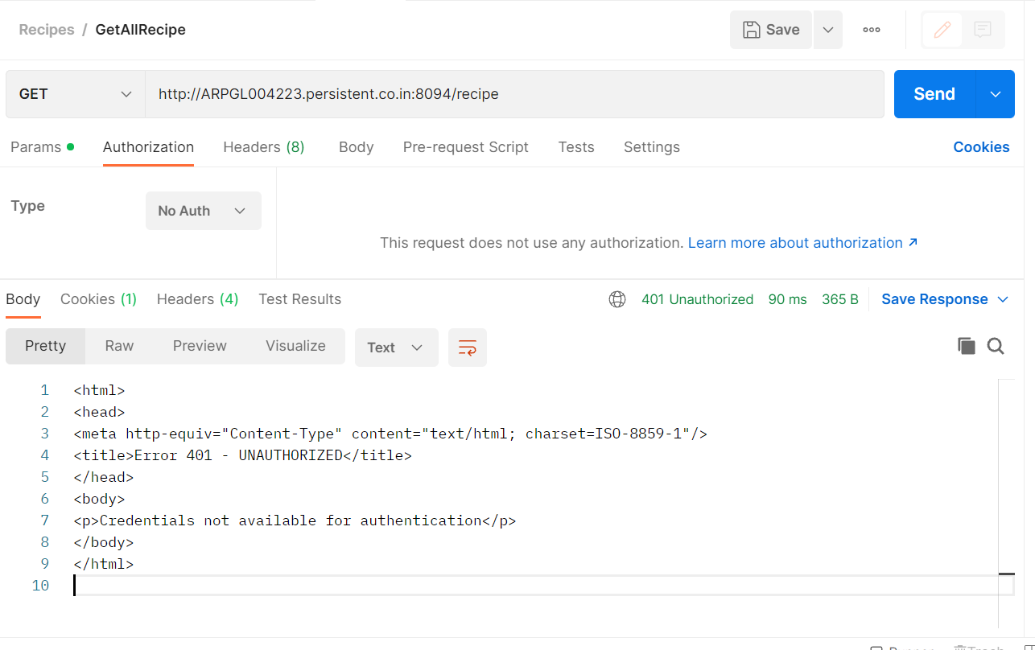
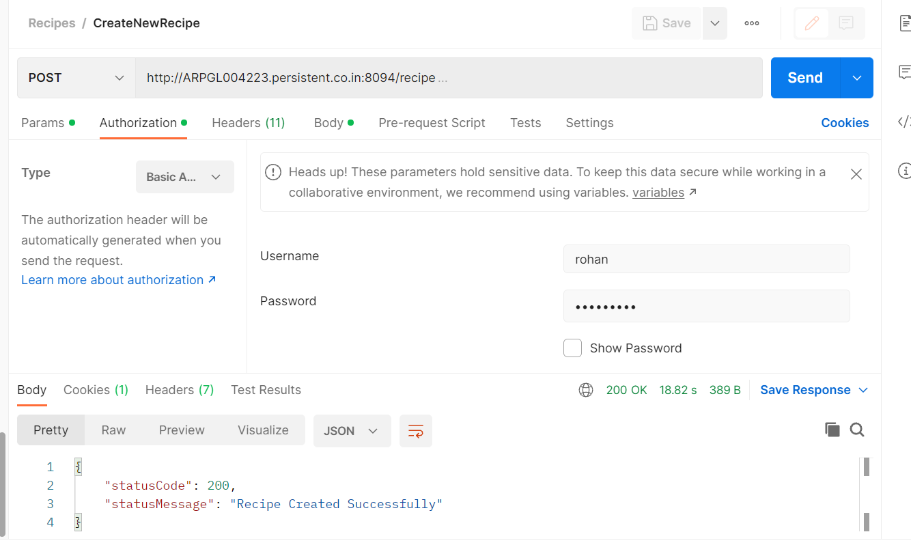
 |  |  |  |  |  |  |  | Basic Authentication Check

 |  |  |  |  |  |  |  |  | With Valid Creds

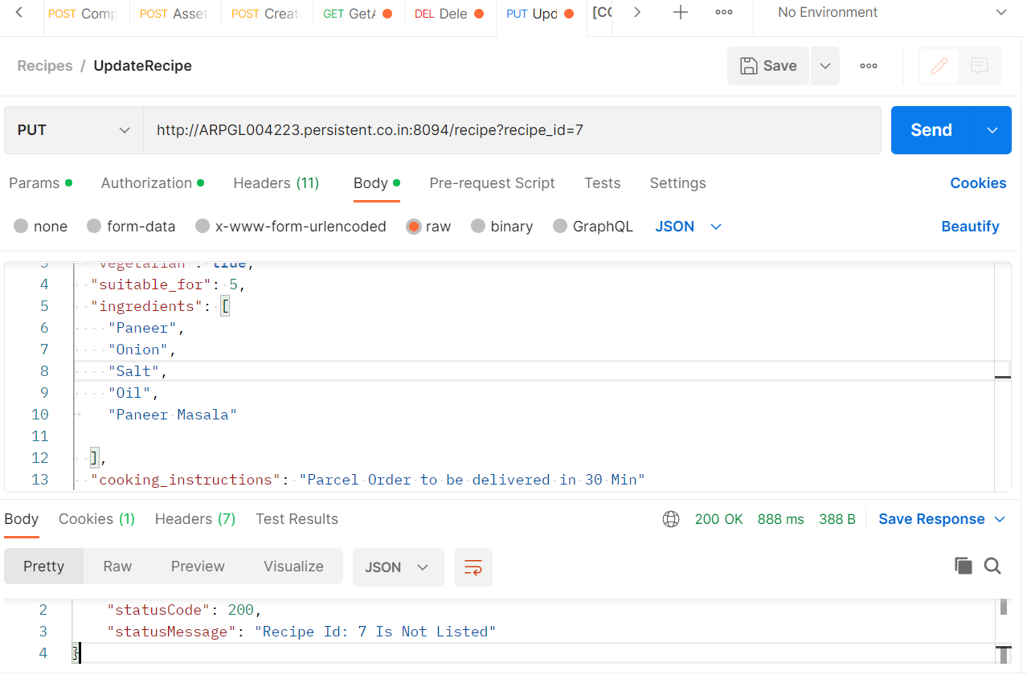
 |  |  |  |  |  |  |  | Update non existing recipe_id

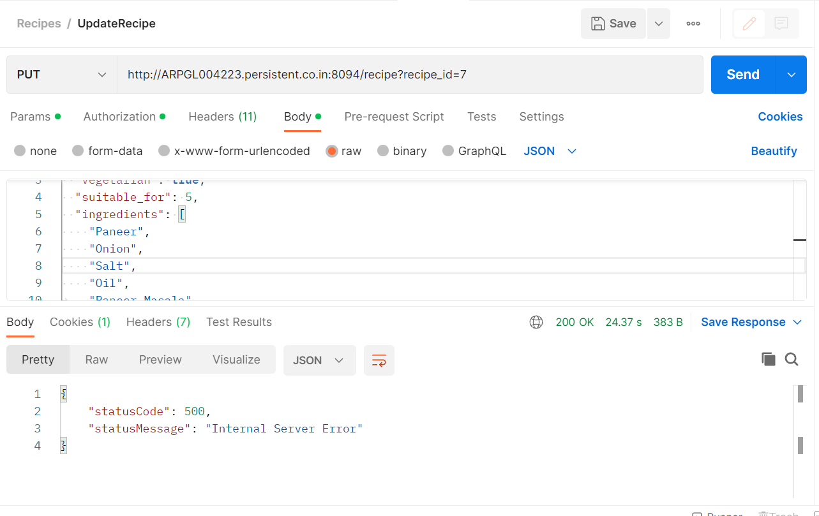
 |  |  |  |  |  |  |  | Retry 3 times in case of error

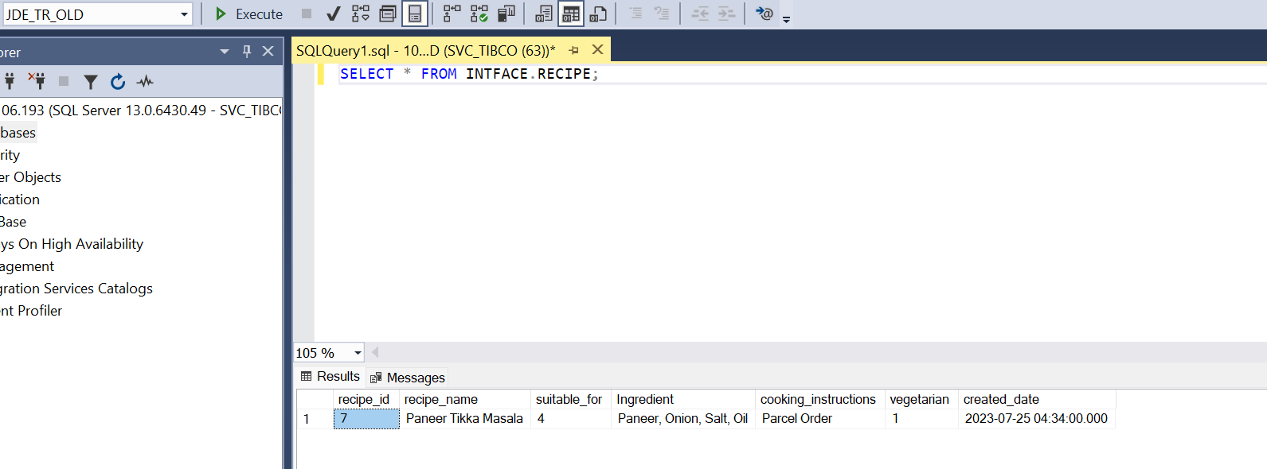
 |  |  |  |  |  |  |  | Recipe_Id Auto Increment And Created date check into DB

